4x4 matrix
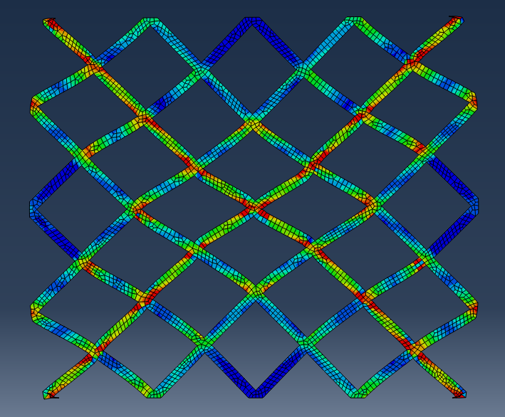
stress | strain | disp | force | disp p | force p
0 | 0 | 0 | 0 | 0 | 0
0.000303446 | 502833 | -0.02 | -1.00E+06 | 0.02 | 1004220
0.000606891 | 1.01E+06 | -0.04 | -2.01E+06 | 0.04 | 2008440
0.000910337 | 1.51E+06 | -0.06 | -3.01E+06 | 0.06 | 3012660
0.00121378 | 2.01E+06 | -0.08 | -4.02E+06 | 0.08 | 4016880
0.00151723 | 2.51E+06 | -0.1 | -5.02E+06 | 0.1 | 5021110
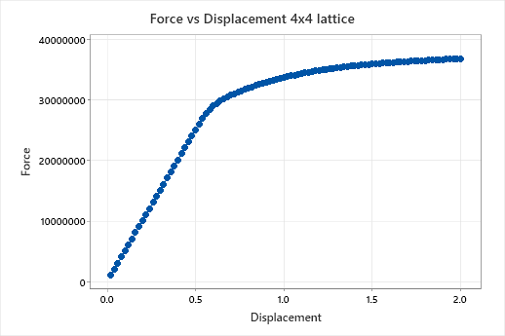
0.00182067 | 3.02E+06 | -0.12 | -6.03E+06 | 0.12 | 6025330
0.00212412 | 3.52E+06 | -0.14 | -7.03E+06 | 0.14 | 7029550
0.00242757 | 4.02E+06 | -0.16 | -8.03E+06 | 0.16 | 8033770
0.00273101 | 4.53E+06 | -0.18 | -9.04E+06 | 0.18 | 9037990
0.00303446 | 5.03E+06 | -0.2 | -1.00E+07 | 0.2 | 10042200
0.0033379 | 5.53E+06 | -0.22 | -1.10E+07 | 0.22 | 11046400
0.00364135 | 6.03E+06 | -0.24 | -1.21E+07 | 0.24 | 12050700
0.00394479 | 6.54E+06 | -0.26 | -1.31E+07 | 0.26 | 13054900
0.00424824 | 7.04E+06 | -0.28 | -1.41E+07 | 0.28 | 14059100
0.00455168 | 7.54E+06 | -0.3 | -1.51E+07 | 0.3 | 15063300
0.00485513 | 8.05E+06 | -0.32 | -1.61E+07 | 0.32 | 16067500
0.00515858 | 8.55E+06 | -0.34 | -1.71E+07 | 0.34 | 17071800
0.00546202 | 9.05E+06 | -0.36 | -1.81E+07 | 0.36 | 18076000
0.00576547 | 9.55E+06 | -0.38 | -1.91E+07 | 0.38 | 19080200
0.00606891 | 1.01E+07 | -0.4 | -2.01E+07 | 0.4 | 20084400
0.00637236 | 1.06E+07 | -0.42 | -2.11E+07 | 0.42 | 21088600
0.0066758 | 1.11E+07 | -0.44 | -2.21E+07 | 0.44 | 22092900
0.00697925 | 1.16E+07 | -0.46 | -2.31E+07 | 0.46 | 23097100
0.0072827 | 1.21E+07 | -0.48 | -2.41E+07 | 0.48 | 24101300
0.00758614 | 1.26E+07 | -0.5 | -2.51E+07 | 0.5 | 25098200
0.00788959 | 1.31E+07 | -0.52 | -2.60E+07 | 0.52 | 26040700
0.00819303 | 1.36E+07 | -0.54 | -2.69E+07 | 0.54 | 26947100
0.00849648 | 1.41E+07 | -0.56 | -2.78E+07 | 0.56 | 27766200
0.00879992 | 1.46E+07 | -0.58 | -2.85E+07 | 0.58 | 28456600
0.00910337 | 1.51E+07 | -0.6 | -2.90E+07 | 0.6 | 28991700
0.00940682 | 1.56E+07 | -0.62 | -2.94E+07 | 0.62 | 29442600
0.00971026 | 1.61E+07 | -0.64 | -2.98E+07 | 0.64 | 29839900
0.0100137 | 1.66E+07 | -0.66 | -3.02E+07 | 0.66 | 30183700
0.0103172 | 1.71E+07 | -0.68 | -3.05E+07 | 0.68 | 30493300
0.0106195 | 1.76E+07 | -0.7 | -3.08E+07 | 0.7 | 30773800
0.0109118 | 1.81E+07 | -0.72 | -3.10E+07 | 0.72 | 31040200
0.0112024 | 1.86E+07 | -0.74 | -3.13E+07 | 0.74 | 31288600
0.0114881 | 1.90E+07 | -0.76 | -3.15E+07 | 0.76 | 31516700
0.0117626 | 1.95E+07 | -0.78 | -3.17E+07 | 0.78 | 31739900
0.0120358 | 1.99E+07 | -0.8 | -3.20E+07 | 0.8 | 31955400
0.0123097 | 2.04E+07 | -0.82 | -3.22E+07 | 0.82 | 32160000
0.0125828 | 2.08E+07 | -0.84 | -3.24E+07 | 0.84 | 32359500
0.0128566 | 2.13E+07 | -0.86 | -3.26E+07 | 0.86 | 32552900
0.0131337 | 2.17E+07 | -0.88 | -3.27E+07 | 0.88 | 32730200
0.0134106 | 2.22E+07 | -0.9 | -3.29E+07 | 0.9 | 32900800
0.0136863 | 2.27E+07 | -0.92 | -3.31E+07 | 0.92 | 33065200
0.0139643 | 2.31E+07 | -0.94 | -3.32E+07 | 0.94 | 33227400
0.014246 | 2.36E+07 | -0.96 | -3.34E+07 | 0.96 | 33387100
0.0145331 | 2.41E+07 | -0.98 | -3.35E+07 | 0.98 | 33542100
0.0148163 | 2.46E+07 | -1 | -3.37E+07 | 1 | 33691700
0.0150951 | 2.50E+07 | -1.02 | -3.38E+07 | 1.02 | 33832500
0.0153732 | 2.55E+07 | -1.04 | -3.40E+07 | 1.04 | 33963600
0.015645 | 2.60E+07 | -1.06 | -3.41E+07 | 1.06 | 34090300
0.015914 | 2.65E+07 | -1.08 | -3.42E+07 | 1.08 | 34213000
0.0162767 | 2.71E+07 | -1.1 | -3.43E+07 | 1.1 | 34330300
0.0166691 | 2.79E+07 | -1.12 | -3.44E+07 | 1.12 | 34444700
0.0170601 | 2.87E+07 | -1.14 | -3.46E+07 | 1.14 | 34556100
0.0174543 | 2.94E+07 | -1.16 | -3.47E+07 | 1.16 | 34664600
0.0178528 | 3.02E+07 | -1.18 | -3.48E+07 | 1.18 | 34770500
0.0182498 | 3.10E+07 | -1.2 | -3.49E+07 | 1.2 | 34870000
0.0186463 | 3.17E+07 | -1.22 | -3.50E+07 | 1.22 | 34962600
0.0190195 | 3.25E+07 | -1.24 | -3.50E+07 | 1.24 | 35049500
0.0193727 | 3.31E+07 | -1.26 | -3.51E+07 | 1.26 | 35132800
0.0197215 | 3.38E+07 | -1.28 | -3.52E+07 | 1.28 | 35213400
0.020072 | 3.45E+07 | -1.3 | -3.53E+07 | 1.3 | 35290500
0.0204245 | 3.51E+07 | -1.32 | -3.54E+07 | 1.32 | 35364700
0.0207732 | 3.57E+07 | -1.34 | -3.54E+07 | 1.34 | 35437000
0.0211221 | 3.63E+07 | -1.36 | -3.55E+07 | 1.36 | 35507600
0.0219699 | 3.66E+07 | -1.38 | -3.56E+07 | 1.38 | 35574000
0.023013 | 3.68E+07 | -1.4 | -3.56E+07 | 1.4 | 35639200
0.0239111 | 3.69E+07 | -1.42 | -3.57E+07 | 1.42 | 35701800
0.0248899 | 3.70E+07 | -1.44 | -3.58E+07 | 1.44 | 35763200
0.0258726 | 3.71E+07 | -1.46 | -3.58E+07 | 1.46 | 35823400
0.0268802 | 3.73E+07 | -1.48 | -3.59E+07 | 1.48 | 35882900
0.027896 | 3.74E+07 | -1.5 | -3.59E+07 | 1.5 | 35935600
0.0289111 | 3.76E+07 | -1.52 | -3.60E+07 | 1.52 | 35985000
0.0299339 | 3.77E+07 | -1.54 | -3.60E+07 | 1.54 | 36030600
0.0309972 | 3.79E+07 | -1.56 | -3.61E+07 | 1.56 | 36075600
0.032066 | 3.80E+07 | -1.58 | -3.61E+07 | 1.58 | 36118400
0.0331373 | 3.82E+07 | -1.6 | -3.62E+07 | 1.6 | 36158100
0.0342152 | 3.84E+07 | -1.62 | -3.62E+07 | 1.62 | 36197400
0.0353654 | 3.85E+07 | -1.64 | -3.62E+07 | 1.64 | 36235200
0.0365669 | 3.87E+07 | -1.66 | -3.63E+07 | 1.66 | 36272100
0.0377692 | 3.88E+07 | -1.68 | -3.63E+07 | 1.68 | 36308800
0.0387593 | 3.88E+07 | -1.7 | -3.63E+07 | 1.7 | 36345000
0.0397463 | 3.88E+07 | -1.72 | -3.64E+07 | 1.72 | 36380500
0.0407429 | 3.89E+07 | -1.74 | -3.64E+07 | 1.74 | 36414400
0.041728 | 3.89E+07 | -1.76 | -3.64E+07 | 1.76 | 36447300
0.0427005 | 3.89E+07 | -1.78 | -3.65E+07 | 1.78 | 36478900
0.0436684 | 3.90E+07 | -1.8 | -3.65E+07 | 1.8 | 36510400
0.0446308 | 3.90E+07 | -1.82 | -3.65E+07 | 1.82 | 36541700
0.045594 | 3.90E+07 | -1.84 | -3.66E+07 | 1.84 | 36572800
0.0465648 | 3.90E+07 | -1.86 | -3.66E+07 | 1.86 | 36603600
0.0475574 | 3.91E+07 | -1.88 | -3.66E+07 | 1.88 | 36634200
0.0485592 | 3.91E+07 | -1.9 | -3.67E+07 | 1.9 | 36663900
0.0495645 | 3.91E+07 | -1.92 | -3.67E+07 | 1.92 | 36692800
0.0505789 | 3.92E+07 | -1.94 | -3.67E+07 | 1.94 | 36721300
0.0515992 | 3.92E+07 | -1.96 | -3.67E+07 | 1.96 | 36749500
0.0526067 | 3.92E+07 | -1.98 | -3.68E+07 | 1.98 | 36777500
0.0536158 | 3.93E+07 | -2 | -3.68E+07 | 2 | 36805400

8x8 matrix
displacement | force | displacement pos | force pos
0 | 0 | 0 | 0
-0.02 | -798580 | 0.02 | 798580
-0.04 | -1.60E+06 | 0.04 | 1597160
-0.06 | -2.40E+06 | 0.06 | 2395740
-0.08 | -3.19E+06 | 0.08 | 3194320
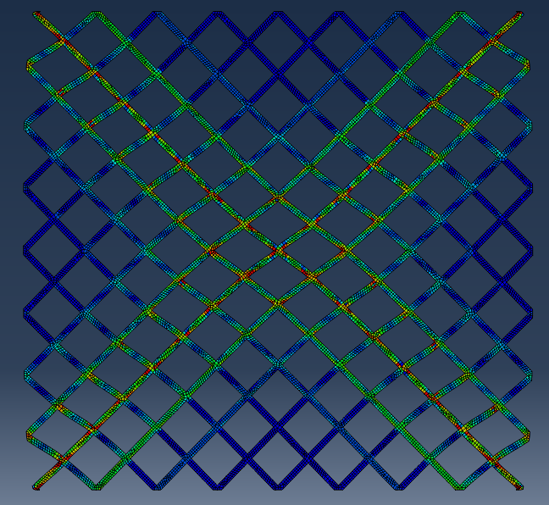
-0.1 | -3.99E+06 | 0.1 | 3992900
-0.12 | -4.79E+06 | 0.12 | 4791480
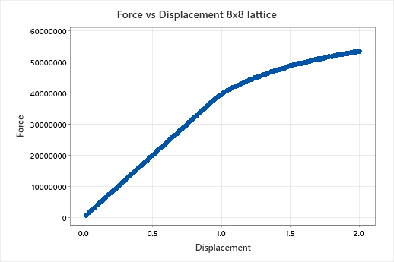
-0.14 | -5.59E+06 | 0.14 | 5590060
-0.16 | -6.39E+06 | 0.16 | 6388640
-0.18 | -7.19E+06 | 0.18 | 7187220
-0.2 | -7.99E+06 | 0.2 | 7985800
-0.22 | -8.78E+06 | 0.22 | 8784380
-0.24 | -9.58E+06 | 0.24 | 9582960
-0.26 | -1.04E+07 | 0.26 | 10381500
-0.28 | -1.12E+07 | 0.28 | 11180100
-0.3 | -1.20E+07 | 0.3 | 11978700
-0.32 | -1.28E+07 | 0.32 | 12777300
-0.34 | -1.36E+07 | 0.34 | 13575900
-0.36 | -1.44E+07 | 0.36 | 14374400
-0.38 | -1.52E+07 | 0.38 | 15173000
-0.4 | -1.60E+07 | 0.4 | 15971600
-0.42 | -1.68E+07 | 0.42 | 16770200
-0.44 | -1.76E+07 | 0.44 | 17568800
-0.46 | -1.84E+07 | 0.46 | 18367300
-0.48 | -1.92E+07 | 0.48 | 19165900
-0.5 | -2.00E+07 | 0.5 | 19964500
-0.52 | -2.08E+07 | 0.52 | 20763100
-0.54 | -2.16E+07 | 0.54 | 21561700
-0.56 | -2.24E+07 | 0.56 | 22360200
-0.58 | -2.32E+07 | 0.58 | 23158800
-0.6 | -2.40E+07 | 0.6 | 23957400
-0.62 | -2.48E+07 | 0.62 | 24756000
-0.64 | -2.56E+07 | 0.64 | 25554600
-0.66 | -2.64E+07 | 0.66 | 26353100
-0.68 | -2.72E+07 | 0.68 | 27151700
-0.7 | -2.80E+07 | 0.7 | 27950300
-0.72 | -2.87E+07 | 0.72 | 28748900
-0.74 | -2.95E+07 | 0.74 | 29547500
-0.76 | -3.03E+07 | 0.76 | 30346000
-0.78 | -3.11E+07 | 0.78 | 31144600
-0.8 | -3.19E+07 | 0.8 | 31943200
-0.82 | -3.27E+07 | 0.82 | 32741800
-0.84 | -3.35E+07 | 0.84 | 33540400
-0.86 | -3.43E+07 | 0.86 | 34338600
-0.88 | -3.51E+07 | 0.88 | 35136000
-0.9 | -3.59E+07 | 0.9 | 35933400
-0.92 | -3.67E+07 | 0.92 | 36730800
-0.94 | -3.75E+07 | 0.94 | 37517000
-0.96 | -3.82E+07 | 0.96 | 38226100
-0.98 | -3.89E+07 | 0.98 | 38894000
-1 | -3.95E+07 | 1 | 39513700
-1.02 | -4.01E+07 | 1.02 | 40082800
-1.04 | -4.06E+07 | 1.04 | 40631400
-1.06 | -4.12E+07 | 1.06 | 41158500
-1.08 | -4.17E+07 | 1.08 | 41651000
-1.1 | -4.21E+07 | 1.1 | 42097200
-1.12 | -4.25E+07 | 1.12 | 42516500
-1.14 | -4.29E+07 | 1.14 | 42918600
-1.16 | -4.33E+07 | 1.16 | 43304400
-1.18 | -4.37E+07 | 1.18 | 43679500
-1.2 | -4.40E+07 | 1.2 | 44049400
-1.22 | -4.44E+07 | 1.22 | 44411700
-1.24 | -4.48E+07 | 1.24 | 44766600
-1.26 | -4.51E+07 | 1.26 | 45106000
-1.28 | -4.54E+07 | 1.28 | 45436500
-1.3 | -4.58E+07 | 1.3 | 45759600
-1.32 | -4.61E+07 | 1.32 | 46070900
-1.34 | -4.64E+07 | 1.34 | 46376900
-1.36 | -4.67E+07 | 1.36 | 46677800
-1.38 | -4.70E+07 | 1.38 | 46976400
-1.4 | -4.73E+07 | 1.4 | 47271900
-1.42 | -4.76E+07 | 1.42 | 47560300
-1.44 | -4.78E+07 | 1.44 | 47842700
-1.46 | -4.81E+07 | 1.46 | 48117200
-1.48 | -4.84E+07 | 1.48 | 48381400
-1.5 | -4.86E+07 | 1.5 | 48636000
-1.52 | -4.89E+07 | 1.52 | 48884600
-1.54 | -4.91E+07 | 1.54 | 49123400
-1.56 | -4.94E+07 | 1.56 | 49357900
-1.58 | -4.96E+07 | 1.58 | 49587000
-1.6 | -4.98E+07 | 1.6 | 49809600
-1.62 | -5.00E+07 | 1.62 | 50027800
-1.64 | -5.02E+07 | 1.64 | 50242900
-1.66 | -5.05E+07 | 1.66 | 50452800
-1.68 | -5.07E+07 | 1.68 | 50657100
-1.7 | -5.09E+07 | 1.7 | 50853700
-1.72 | -5.10E+07 | 1.72 | 51047100
-1.74 | -5.12E+07 | 1.74 | 51235400
-1.76 | -5.14E+07 | 1.76 | 51419100
-1.78 | -5.16E+07 | 1.78 | 51599500
-1.8 | -5.18E+07 | 1.8 | 51776900
-1.82 | -5.19E+07 | 1.82 | 51947900
-1.84 | -5.21E+07 | 1.84 | 52116500
-1.86 | -5.23E+07 | 1.86 | 52280800
-1.88 | -5.24E+07 | 1.88 | 52440000
-1.9 | -5.26E+07 | 1.9 | 52596400
-1.92 | -5.27E+07 | 1.92 | 52749400
-1.94 | -5.29E+07 | 1.94 | 52896800
-1.96 | -5.30E+07 | 1.96 | 53038000
-1.98 | -5.32E+07 | 1.98 | 53176300
-2 | -5.33E+07 | 2 | 53309400

16x16

displacement | force | displacement pos | force pos
0 | 0 | 0 | 0
-0.02 | -713815 | 0.02 | 713815
-0.04 | -1.43E+06 | 0.04 | 1427630
-0.06 | -2.14E+06 | 0.06 | 2141440
-0.08 | -2.86E+06 | 0.08 | 2855260
-0.1 | -3.57E+06 | 0.1 | 3569070
-0.12 | -4.28E+06 | 0.12 | 4282890
-0.14 | -5.00E+06 | 0.14 | 4996700
-0.16 | -5.71E+06 | 0.16 | 5710520
-0.18 | -6.42E+06 | 0.18 | 6424330
-0.2 | -7.14E+06 | 0.2 | 7138150
-0.22 | -7.85E+06 | 0.22 | 7851960
-0.24 | -8.57E+06 | 0.24 | 8565780
-0.26 | -9.28E+06 | 0.26 | 9279590
-0.28 | -9.99E+06 | 0.28 | 9993410
-0.3 | -1.07E+07 | 0.3 | 10707200
-0.32 | -1.14E+07 | 0.32 | 11421000
-0.34 | -1.21E+07 | 0.34 | 12134800
-0.36 | -1.28E+07 | 0.36 | 12848700
-0.38 | -1.36E+07 | 0.38 | 13562500
-0.4 | -1.43E+07 | 0.4 | 14276300
-0.42 | -1.50E+07 | 0.42 | 14990100
-0.44 | -1.57E+07 | 0.44 | 15703900
-0.46 | -1.64E+07 | 0.46 | 16417700
-0.48 | -1.71E+07 | 0.48 | 17131600
-0.5 | -1.78E+07 | 0.5 | 17845400
-0.52 | -1.86E+07 | 0.52 | 18559200
-0.54 | -1.93E+07 | 0.54 | 19273000
-0.56 | -2.00E+07 | 0.56 | 19986800
-0.58 | -2.07E+07 | 0.58 | 20700600
-0.6 | -2.14E+07 | 0.6 | 21414400
-0.62 | -2.21E+07 | 0.62 | 22128300
-0.64 | -2.28E+07 | 0.64 | 22842100
-0.66 | -2.36E+07 | 0.66 | 23555900
-0.68 | -2.43E+07 | 0.68 | 24269700
-0.7 | -2.50E+07 | 0.7 | 24983500
-0.72 | -2.57E+07 | 0.72 | 25697300
-0.74 | -2.64E+07 | 0.74 | 26411100
-0.76 | -2.71E+07 | 0.76 | 27125000
-0.78 | -2.78E+07 | 0.78 | 27838800
-0.8 | -2.86E+07 | 0.8 | 28552600
-0.82 | -2.93E+07 | 0.82 | 29266400
-0.84 | -3.00E+07 | 0.84 | 29980200
-0.86 | -3.07E+07 | 0.86 | 30694000
-0.88 | -3.14E+07 | 0.88 | 31407800
-0.9 | -3.21E+07 | 0.9 | 32121700
-0.92 | -3.28E+07 | 0.92 | 32835500
-0.94 | -3.35E+07 | 0.94 | 33549300
-0.96 | -3.43E+07 | 0.96 | 34263100
-0.98 | -3.50E+07 | 0.98 | 34976900
-1 | -3.57E+07 | 1 | 35690700
-1.02 | -3.64E+07 | 1.02 | 36404600
-1.04 | -3.71E+07 | 1.04 | 37118400
-1.06 | -3.78E+07 | 1.06 | 37832200
-1.08 | -3.85E+07 | 1.08 | 38546000
-1.1 | -3.93E+07 | 1.1 | 39259800
-1.12 | -4.00E+07 | 1.12 | 39973600
-1.14 | -4.07E+07 | 1.14 | 40687400
-1.16 | -4.14E+07 | 1.16 | 41401300
-1.18 | -4.21E+07 | 1.18 | 42115100
-1.2 | -4.28E+07 | 1.2 | 42828900
-1.22 | -4.35E+07 | 1.22 | 43542700
-1.24 | -4.43E+07 | 1.24 | 44256500
-1.26 | -4.50E+07 | 1.26 | 44970300
-1.28 | -4.57E+07 | 1.28 | 45684100
-1.3 | -4.64E+07 | 1.3 | 46397800
-1.32 | -4.71E+07 | 1.32 | 47110900
-1.34 | -4.78E+07 | 1.34 | 47823800
-1.36 | -4.85E+07 | 1.36 | 48536700
-1.38 | -4.92E+07 | 1.38 | 49249600
-1.4 | -5.00E+07 | 1.4 | 49961500
-1.42 | -5.07E+07 | 1.42 | 50673200
-1.44 | -5.14E+07 | 1.44 | 51384600
-1.46 | -5.21E+07 | 1.46 | 52078300
-1.48 | -5.28E+07 | 1.48 | 52758000
-1.5 | -5.34E+07 | 1.5 | 53421300
-1.52 | -5.41E+07 | 1.52 | 54072800
-1.54 | -5.47E+07 | 1.54 | 54703000
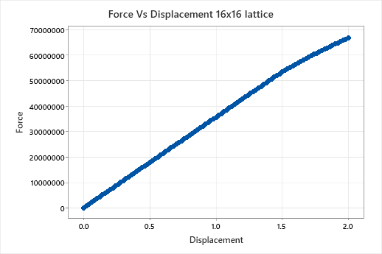
-1.56 | -5.53E+07 | 1.56 | 55312300
-1.58 | -5.59E+07 | 1.58 | 55915100
-1.6 | -5.65E+07 | 1.6 | 56512200
-1.62 | -5.71E+07 | 1.62 | 57103600
-1.64 | -5.77E+07 | 1.64 | 57684300
-1.66 | -5.83E+07 | 1.66 | 58252500
-1.68 | -5.88E+07 | 1.68 | 58800200
-1.7 | -5.93E+07 | 1.7 | 59328600
-1.72 | -5.99E+07 | 1.72 | 59851000
-1.74 | -6.04E+07 | 1.74 | 60367800
-1.76 | -6.09E+07 | 1.76 | 60882000
-1.78 | -6.14E+07 | 1.78 | 61392500
-1.8 | -6.19E+07 | 1.8 | 61901000
-1.82 | -6.24E+07 | 1.82 | 62406700
-1.84 | -6.29E+07 | 1.84 | 62908200
-1.86 | -6.34E+07 | 1.86 | 63407000
-1.88 | -6.39E+07 | 1.88 | 63900100
-1.9 | -6.44E+07 | 1.9 | 64390800
-1.92 | -6.49E+07 | 1.92 | 64878300
-1.94 | -6.54E+07 | 1.94 | 65361600
-1.96 | -6.58E+07 | 1.96 | 65838900
-1.98 | -6.63E+07 | 1.98 | 66314100
-2 | -6.68E+07 | 2 | 66786000

4x4 beam
displacement | force | Displacement pos | force pos
0 | 0 | 0 | 0 | Beam of circular section assigment of 0.1 raduis
-0.02 | -22540.5 | 0.02 | 22540.5
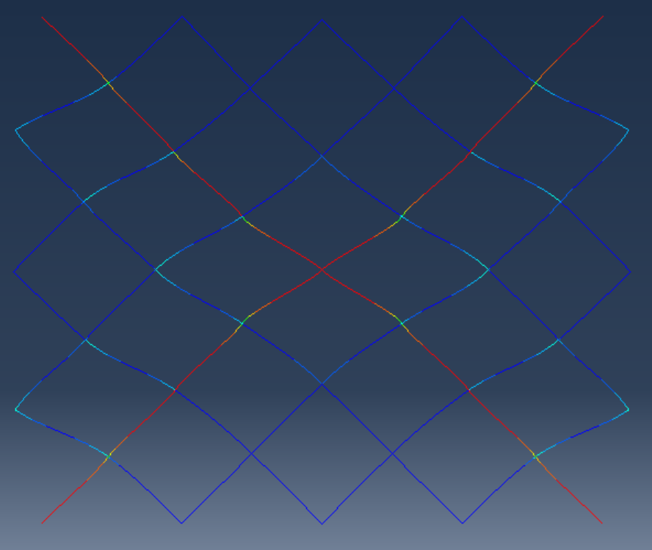
-0.04 | -45081 | 0.04 | 45081
-0.06 | -67621.5 | 0.06 | 67621.5
-0.08 | -90162 | 0.08 | 90162
-0.1 | -112702 | 0.1 | 112702
-0.12 | -135243 | 0.12 | 135243
-0.14 | -157784 | 0.14 | 157784
-0.16 | -180324 | 0.16 | 180324
-0.18 | -202864 | 0.18 | 202864
-0.2 | -225405 | 0.2 | 225405
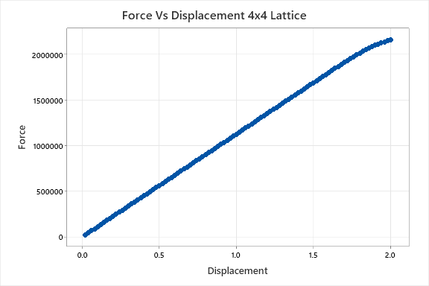
-0.22 | -247946 | 0.22 | 247946
-0.24 | -270486 | 0.24 | 270486
-0.26 | -293026 | 0.26 | 293026
-0.28 | -315567 | 0.28 | 315567
-0.3 | -338108 | 0.3 | 338108
-0.32 | -360648 | 0.32 | 360648
-0.34 | -383188 | 0.34 | 383188
-0.36 | -405729 | 0.36 | 405729
-0.38 | -428270 | 0.38 | 428270
-0.4 | -450810 | 0.4 | 450810
-0.42 | -473350 | 0.42 | 473350
-0.44 | -495891 | 0.44 | 495891
-0.46 | -518432 | 0.46 | 518432
-0.48 | -540972 | 0.48 | 540972
-0.5 | -563512 | 0.5 | 563512
-0.52 | -586053 | 0.52 | 586053
-0.54 | -608594 | 0.54 | 608594
-0.56 | -631134 | 0.56 | 631134
-0.58 | -653674 | 0.58 | 653674
-0.6 | -676215 | 0.6 | 676215
-0.62 | -698756 | 0.62 | 698756
-0.64 | -721296 | 0.64 | 721296
-0.66 | -743836 | 0.66 | 743836
-0.68 | -766377 | 0.68 | 766377
-0.7 | -788918 | 0.7 | 788918
-0.72 | -811458 | 0.72 | 811458
-0.74 | -833998 | 0.74 | 833998
-0.76 | -856539 | 0.76 | 856539
-0.78 | -879080 | 0.78 | 879080
-0.8 | -901620 | 0.8 | 901620
-0.82 | -924160 | 0.82 | 924160
-0.84 | -946701 | 0.84 | 946701
-0.86 | -969242 | 0.86 | 969242
-0.88 | -991782 | 0.88 | 991782
-0.9 | -1.01E+06 | 0.9 | 1014320
-0.92 | -1.04E+06 | 0.92 | 1036860
-0.94 | -1.06E+06 | 0.94 | 1059400
-0.96 | -1.08E+06 | 0.96 | 1081940
-0.98 | -1.10E+06 | 0.98 | 1104480
-1 | -1.13E+06 | 1 | 1127020
-1.02 | -1.15E+06 | 1.02 | 1149570
-1.04 | -1.17E+06 | 1.04 | 1172110
-1.06 | -1.19E+06 | 1.06 | 1194650
-1.08 | -1.22E+06 | 1.08 | 1217190
-1.1 | -1.24E+06 | 1.1 | 1239730
-1.12 | -1.26E+06 | 1.12 | 1262270
-1.14 | -1.28E+06 | 1.14 | 1284810
-1.16 | -1.31E+06 | 1.16 | 1307350
-1.18 | -1.33E+06 | 1.18 | 1329890
-1.2 | -1.35E+06 | 1.2 | 1352430
-1.22 | -1.37E+06 | 1.22 | 1374970
-1.24 | -1.40E+06 | 1.24 | 1397510
-1.26 | -1.42E+06 | 1.26 | 1420050
-1.28 | -1.44E+06 | 1.28 | 1442590
-1.3 | -1.47E+06 | 1.3 | 1465130
-1.32 | -1.49E+06 | 1.32 | 1487670
-1.34 | -1.51E+06 | 1.34 | 1510210
-1.36 | -1.53E+06 | 1.36 | 1532750
-1.38 | -1.56E+06 | 1.38 | 1555290
-1.4 | -1.58E+06 | 1.4 | 1577840
-1.42 | -1.60E+06 | 1.42 | 1600380
-1.44 | -1.62E+06 | 1.44 | 1622920
-1.46 | -1.65E+06 | 1.46 | 1645440
-1.48 | -1.67E+06 | 1.48 | 1667960
-1.5 | -1.69E+06 | 1.5 | 1690450
-1.52 | -1.71E+06 | 1.52 | 1712920
-1.54 | -1.74E+06 | 1.54 | 1735370
-1.56 | -1.76E+06 | 1.56 | 1757800
-1.58 | -1.78E+06 | 1.58 | 1780220
-1.6 | -1.80E+06 | 1.6 | 1802620
-1.62 | -1.82E+06 | 1.62 | 1825000
-1.64 | -1.85E+06 | 1.64 | 1847370
-1.66 | -1.87E+06 | 1.66 | 1869610
-1.68 | -1.89E+06 | 1.68 | 1891520
-1.7 | -1.91E+06 | 1.7 | 1912980
-1.72 | -1.93E+06 | 1.72 | 1934150
-1.74 | -1.96E+06 | 1.74 | 1955120
-1.76 | -1.98E+06 | 1.76 | 1975860
-1.78 | -2.00E+06 | 1.78 | 1996420
-1.8 | -2.02E+06 | 1.8 | 2016400
-1.82 | -2.04E+06 | 1.82 | 2035670
-1.84 | -2.05E+06 | 1.84 | 2053980
-1.86 | -2.07E+06 | 1.86 | 2070950
-1.88 | -2.09E+06 | 1.88 | 2087130
-1.9 | -2.10E+06 | 1.9 | 2101950
-1.92 | -2.12E+06 | 1.92 | 2115480
-1.94 | -2.13E+06 | 1.94 | 2127600
-1.96 | -2.14E+06 | 1.96 | 2138810
-1.98 | -2.15E+06 | 1.98 | 2149100
-2 | -2.16E+06 | 2 | 2158800

8x8 Beam
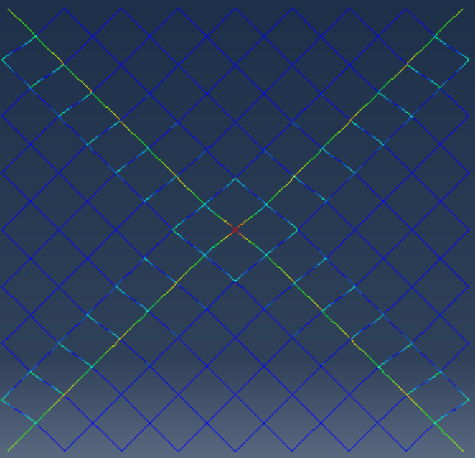
displacement | Force | displacement pos | force pos
0 | 0 | 0 | 0
-0.02 | -11782.2 | 0.02 | 11782.2
-0.04 | -23564.3 | 0.04 | 23564.3
-0.06 | -35346.5 | 0.06 | 35346.5
-0.08 | -47128.6 | 0.08 | 47128.6
-0.1 | -58910.8 | 0.1 | 58910.8
-0.12 | -70692.9 | 0.12 | 70692.9
-0.14 | -82475.1 | 0.14 | 82475.1
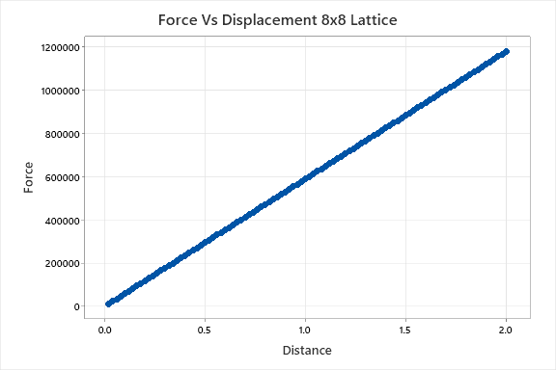
-0.16 | -94257.2 | 0.16 | 94257.2
-0.18 | -106039 | 0.18 | 106039
-0.2 | -117822 | 0.2 | 117822
-0.22 | -129604 | 0.22 | 129604
-0.24 | -141386 | 0.24 | 141386
-0.26 | -153168 | 0.26 | 153168
-0.28 | -164950 | 0.28 | 164950
-0.3 | -176732 | 0.3 | 176732
-0.32 | -188514 | 0.32 | 188514
-0.34 | -200297 | 0.34 | 200297
-0.36 | -212079 | 0.36 | 212079
-0.38 | -223861 | 0.38 | 223861
-0.4 | -235643 | 0.4 | 235643
-0.42 | -247425 | 0.42 | 247425
-0.44 | -259207 | 0.44 | 259207
-0.46 | -270989 | 0.46 | 270989
-0.48 | -282772 | 0.48 | 282772
-0.5 | -294554 | 0.5 | 294554
-0.52 | -306336 | 0.52 | 306336
-0.54 | -318118 | 0.54 | 318118
-0.56 | -329900 | 0.56 | 329900
-0.58 | -341682 | 0.58 | 341682
-0.6 | -353465 | 0.6 | 353465
-0.62 | -365247 | 0.62 | 365247
-0.64 | -377029 | 0.64 | 377029
-0.66 | -388811 | 0.66 | 388811
-0.68 | -400593 | 0.68 | 400593
-0.7 | -412375 | 0.7 | 412375
-0.72 | -424157 | 0.72 | 424157
-0.74 | -435940 | 0.74 | 435940
-0.76 | -447722 | 0.76 | 447722
-0.78 | -459504 | 0.78 | 459504
-0.8 | -471286 | 0.8 | 471286
-0.82 | -483068 | 0.82 | 483068
-0.84 | -494850 | 0.84 | 494850
-0.86 | -506632 | 0.86 | 506632
-0.88 | -518415 | 0.88 | 518415
-0.9 | -530197 | 0.9 | 530197
-0.92 | -541979 | 0.92 | 541979
-0.94 | -553761 | 0.94 | 553761
-0.96 | -565543 | 0.96 | 565543
-0.98 | -577325 | 0.98 | 577325
-1 | -589108 | 1 | 589108
-1.02 | -600890 | 1.02 | 600890
-1.04 | -612672 | 1.04 | 612672
-1.06 | -624454 | 1.06 | 624454
-1.08 | -636236 | 1.08 | 636236
-1.1 | -648018 | 1.1 | 648018
-1.12 | -659800 | 1.12 | 659800
-1.14 | -671583 | 1.14 | 671583
-1.16 | -683365 | 1.16 | 683365
-1.18 | -695147 | 1.18 | 695147
-1.2 | -706929 | 1.2 | 706929
-1.22 | -718711 | 1.22 | 718711
-1.24 | -730493 | 1.24 | 730493
-1.26 | -742276 | 1.26 | 742276
-1.28 | -754058 | 1.28 | 754058
-1.3 | -765840 | 1.3 | 765840
-1.32 | -777622 | 1.32 | 777622
-1.34 | -789404 | 1.34 | 789404
-1.36 | -801186 | 1.36 | 801186
-1.38 | -812968 | 1.38 | 812968
-1.4 | -824751 | 1.4 | 824751
-1.42 | -836533 | 1.42 | 836533
-1.44 | -848315 | 1.44 | 848315
-1.46 | -860097 | 1.46 | 860097
-1.48 | -871879 | 1.48 | 871879
-1.5 | -883661 | 1.5 | 883661
-1.52 | -895444 | 1.52 | 895444
-1.54 | -907226 | 1.54 | 907226
-1.56 | -919008 | 1.56 | 919008
-1.58 | -930790 | 1.58 | 930790
-1.6 | -942572 | 1.6 | 942572
-1.62 | -954354 | 1.62 | 954354
-1.64 | -966136 | 1.64 | 966136
-1.66 | -977919 | 1.66 | 977919
-1.68 | -989701 | 1.68 | 989701
-1.7 | -1.00E+06 | 1.7 | 1001480
-1.72 | -1.01E+06 | 1.72 | 1013260
-1.74 | -1.03E+06 | 1.74 | 1025050
-1.76 | -1.04E+06 | 1.76 | 1036830
-1.78 | -1.05E+06 | 1.78 | 1048610
-1.8 | -1.06E+06 | 1.8 | 1060390
-1.82 | -1.07E+06 | 1.82 | 1072180
-1.84 | -1.08E+06 | 1.84 | 1083960
-1.86 | -1.10E+06 | 1.86 | 1095740
-1.88 | -1.11E+06 | 1.88 | 1107520
-1.9 | -1.12E+06 | 1.9 | 1119300
-1.92 | -1.13E+06 | 1.92 | 1131090
-1.94 | -1.14E+06 | 1.94 | 1142870
-1.96 | -1.15E+06 | 1.96 | 1154650
-1.98 | -1.17E+06 | 1.98 | 1166430
-2 | -1.18E+06 | 2 | 1178220

16x16 beam

Displacement | Force | Displacement pos | Force pos
0 | 0 | 0 | 0
-0.02 | -6797.1 | 0.02 | 6797.1
-0.04 | -13594.2 | 0.04 | 13594.2
-0.06 | -20391.3 | 0.06 | 20391.3
-0.08 | -27188.4 | 0.08 | 27188.4
-0.1 | -33985.5 | 0.1 | 33985.5
-0.12 | -40782.6 | 0.12 | 40782.6
-0.14 | -47579.7 | 0.14 | 47579.7
-0.16 | -54376.8 | 0.16 | 54376.8
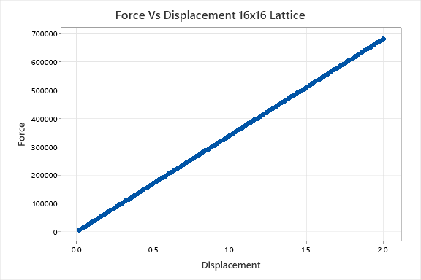
-0.18 | -61173.9 | 0.18 | 61173.9
-0.2 | -67971 | 0.2 | 67971
-0.22 | -74768.1 | 0.22 | 74768.1
-0.24 | -81565.2 | 0.24 | 81565.2
-0.26 | -88362.3 | 0.26 | 88362.3
-0.28 | -95159.4 | 0.28 | 95159.4
-0.3 | -101956 | 0.3 | 101956
-0.32 | -108754 | 0.32 | 108754
-0.34 | -115551 | 0.34 | 115551
-0.36 | -122348 | 0.36 | 122348
-0.38 | -129145 | 0.38 | 129145
-0.4 | -135942 | 0.4 | 135942
-0.42 | -142739 | 0.42 | 142739
-0.44 | -149536 | 0.44 | 149536
-0.46 | -156333 | 0.46 | 156333
-0.48 | -163130 | 0.48 | 163130
-0.5 | -169927 | 0.5 | 169927
-0.52 | -176725 | 0.52 | 176725
-0.54 | -183522 | 0.54 | 183522
-0.56 | -190319 | 0.56 | 190319
-0.58 | -197116 | 0.58 | 197116
-0.6 | -203913 | 0.6 | 203913
-0.62 | -210710 | 0.62 | 210710
-0.64 | -217507 | 0.64 | 217507
-0.66 | -224304 | 0.66 | 224304
-0.68 | -231101 | 0.68 | 231101
-0.7 | -237898 | 0.7 | 237898
-0.72 | -244696 | 0.72 | 244696
-0.74 | -251493 | 0.74 | 251493
-0.76 | -258290 | 0.76 | 258290
-0.78 | -265087 | 0.78 | 265087
-0.8 | -271884 | 0.8 | 271884
-0.82 | -278681 | 0.82 | 278681
-0.84 | -285478 | 0.84 | 285478
-0.86 | -292275 | 0.86 | 292275
-0.88 | -299072 | 0.88 | 299072
-0.9 | -305869 | 0.9 | 305869
-0.92 | -312666 | 0.92 | 312666
-0.94 | -319464 | 0.94 | 319464
-0.96 | -326261 | 0.96 | 326261
-0.98 | -333058 | 0.98 | 333058
-1 | -339855 | 1 | 339855
-1.02 | -346652 | 1.02 | 346652
-1.04 | -353449 | 1.04 | 353449
-1.06 | -360246 | 1.06 | 360246
-1.08 | -367043 | 1.08 | 367043
-1.1 | -373840 | 1.1 | 373840
-1.12 | -380638 | 1.12 | 380638
-1.14 | -387435 | 1.14 | 387435
-1.16 | -394232 | 1.16 | 394232
-1.18 | -401029 | 1.18 | 401029
-1.2 | -407826 | 1.2 | 407826
-1.22 | -414623 | 1.22 | 414623
-1.24 | -421420 | 1.24 | 421420
-1.26 | -428217 | 1.26 | 428217
-1.28 | -435014 | 1.28 | 435014
-1.3 | -441811 | 1.3 | 441811
-1.32 | -448608 | 1.32 | 448608
-1.34 | -455406 | 1.34 | 455406
-1.36 | -462203 | 1.36 | 462203
-1.38 | -469000 | 1.38 | 469000
-1.4 | -475797 | 1.4 | 475797
-1.42 | -482594 | 1.42 | 482594
-1.44 | -489391 | 1.44 | 489391
-1.46 | -496188 | 1.46 | 496188
-1.48 | -502985 | 1.48 | 502985
-1.5 | -509782 | 1.5 | 509782
-1.52 | -516579 | 1.52 | 516579
-1.54 | -523377 | 1.54 | 523377
-1.56 | -530174 | 1.56 | 530174
-1.58 | -536971 | 1.58 | 536971
-1.6 | -543768 | 1.6 | 543768
-1.62 | -550565 | 1.62 | 550565
-1.64 | -557362 | 1.64 | 557362
-1.66 | -564159 | 1.66 | 564159
-1.68 | -570956 | 1.68 | 570956
-1.7 | -577753 | 1.7 | 577753
-1.72 | -584550 | 1.72 | 584550
-1.74 | -591348 | 1.74 | 591348
-1.76 | -598145 | 1.76 | 598145
-1.78 | -604942 | 1.78 | 604942
-1.8 | -611739 | 1.8 | 611739
-1.82 | -618536 | 1.82 | 618536
-1.84 | -625333 | 1.84 | 625333
-1.86 | -632130 | 1.86 | 632130
-1.88 | -638927 | 1.88 | 638927
-1.9 | -645724 | 1.9 | 645724
-1.92 | -652521 | 1.92 | 652521
-1.94 | -659318 | 1.94 | 659318
-1.96 | -666116 | 1.96 | 666116
-1.98 | -672913 | 1.98 | 672913
-2 | -679710 | 2 | 679710

